GBM_Regression
 |  |  | Y | Yhat | Y-Yhat | Gamma Value |  | Pseudo Error | Average Leave |  | Pseudo Error |  |  | Pseudo Error
height | colour | Gender | weight (Y) | Prediction1 | Error1 (Y1) | Average of Error1 | Prediction2 | error2 (y2) | Average of Error2 | Prediction3 | error3 | Average of Error3 | Prediction4 | error4 | Average of Error4 | Prediction 5 | error5 | Average of Error 5 | Prediction 6 | error 6 | Average of Error 6 | Prediction 7 | error 7 | Average of Error 7 | Prediction 8 | error 8 | Average of Error 8 | Prediction 9 | error 9 | Average of Error 9 | Prediction 10 | error 10 | Average of Error 10 | Prediction 10 | error 10 | Average of Error 10 | Error Final
1.6 | B | m | 88 | 71.2 | 16.8 | 16.8 | 72.9 | 15.1 | 15.1 | 74.4 | 13.6 | 13.6 | 75.7 | 12.3 | 12.3 | 77.0 | 11.0 | 11.0 | 77.1 | 10.9 | 10.9 | 78.2 | 9.8 | 9.8 | 79.2 | 8.8 | 8.8 | 80.0 | 8.0 | 8.0 | 80.8 | 7.2 | 7.2 | 81.6 | 6.4 | 6.4 | 0
1.6 | G | f | 76 | 71.2 | 4.8 | 4.8 | 71.7 | 4.3 | 4.3 | 72.1 | 3.9 | 3.9 | 72.5 | 3.5 | 3.5 | 72.8 | 3.2 | 3.2 | 72.6 | 3.4 | 3.4 | 72.9 | 3.1 | 3.1 | 73.2 | 2.8 | 2.8 | 73.5 | 2.5 | 2.5 | 73.8 | 2.2 | 2.2 | 74.0 | 2.0 |  | 0
1.5 | B | f | 56 | 71.2 | -15.2 | -14.7 | 69.7 | -13.7 | -13.2 | 68.4 | -12.4 | -11.9 | 67.2 | -11.2 | -10.7 | 66.1 | -10.1 | -9.6 | 68.2 | -12.2 | -11.7 | 67.0 | -11.0 | -10.5 | 66.0 | -10.0 | -9.5 | 65.0 | -9.0 | -8.5 | 64.2 | -8.2 | -7.7 | 63.4 | -7.4 |  | 0
1.8 | R | m | 73 | 71.2 | 1.8 | 3.8 | 71.6 | 1.45 | 3.4 | 71.9 | 1.1 | 3.1 | 72.2 | 0.8 | 2.8 | 72.5 | 0.5 | 2.5 | 72.3 | 0.7 | 2.7 | 72.5 | 0.5 | 2.5 | 72.8 | 0.2 | 2.2 | 73.0 | 0.0 | 2.0 | 73.2 | -0.2 | 1.8 | 73.4 | -0.4 |  | 0
1.5 | G | m | 77 | 71.2 | 5.8 | 3.8 | 71.6 | 5.45 | 3.4 | 71.9 | 5.1 | 3.1 | 72.2 | 4.8 | 2.8 | 72.5 | 4.5 | 2.5 | 72.3 | 4.7 | 2.7 | 72.5 | 4.5 | 2.5 | 72.8 | 4.2 | 2.2 | 73.0 | 4.0 | 2.0 | 73.2 | 3.8 | 1.8 | 73.4 | 3.6 |  | 0
1.4 | B | f | 57 | 71.2 | -14.2 | -14.7 | 69.7 | -12.7 | -13.2 | 68.4 | -11.4 | -11.9 | 67.2 | -10.2 | -10.7 | 66.1 | -9.1 | -9.6 | 68.2 | -11.2 | -11.7 | 67.0 | -10.0 | -10.5 | 66.0 | -9.0 | -9.5 | 65.0 | -8.0 | -8.5 | 64.2 | -7.2 | -7.7 | 63.4 | -6.4 |  | 0
 | Initial Model | Mean ( intercept ) | 71.2 |  |  |  |  | Second Tree |  |  |  | Third Tree |  |  | four Tree |  |  | Five Tree |  |  | six Tree |  |  | Seven Tree |  |  | Eight Tree |  |  | Nine Tree |  |  | Ten Tree
 |  |  |  |  | First Tree is based on error
Learning Rate is between 0 to 1
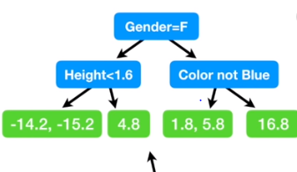
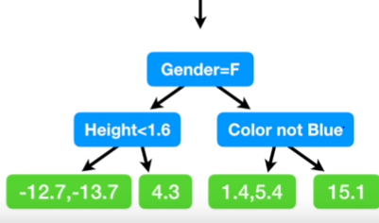

Test Data |  |  | Prediction
1.6 | Blue | Male | 74.39

Prediction1
Initial Model | First Tree | Second Tree
71.2 | 1.68 | 1.51

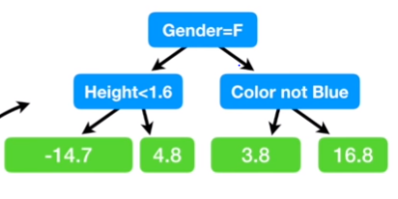
 |  |  |  |  |  |  | Second Tree
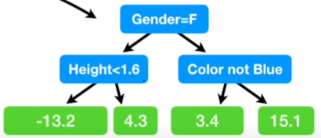
Test Data |  |  | Prediction
1.7 | Green | Female | 72.11

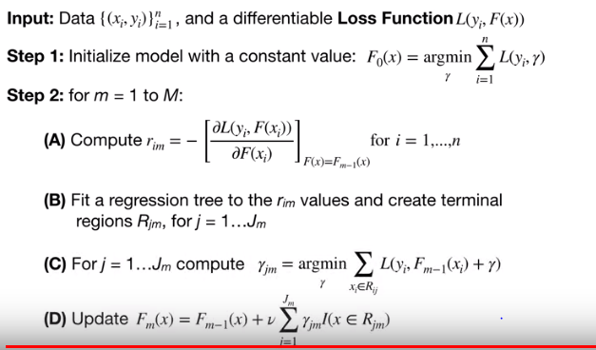
Prediction2
Initial Model | First Tree | Second Tree
71.2 | 0.48 | 0.43

 |  |  |  |  |  |  |  |  |  |  | Step 2 | Output of FM(x)

GBM_Classification
 | X1 | X2 | X3 | Y |  |  | First Residual |  |  |  | Pseudo Error
 | Like PopCorn | Age | Favourite Color | Loves Troll 2 ( Target ) | Convert_Target | Predicted Probability 1 | Error 1 | Average Error | Prediction 2 | Predicted Probability 2 | Error 2 | Second Average Error | Prediction 3 | Predicted Probability3 | Final Convertion
 | Yes | 12 | Blue | Yes | 1 | 0.7 | 0.3 | 1.57 | 1.9 | 0.875 | 0.125 | 0.6 | 2.4 | 0.9 | Yes
 | Yes | 84.0 | Green | Yes | 1 | 0.7 | 0.3 | -0.7 | 0.1 | 0.523 | 0.477 | 1.9 | 1.6 | 0.8 | Yes
 | No | 44.0 | Blue | No | 0 | 0.7 | -0.7 | -0.7 | 0.1 | 0.523 | -0.523 | -2.1 | -1.6 | 0.2 | No
 | Yes | 19.0 | Red | No | 0 | 0.7 | -0.7 | -3.3 | -2.0 | 0.122 | -0.122 | 0.6 | -1.5 | 0.2 | No
 | No | 32 | Green | Yes | 1 | 0.7 | 0.3 | 1.57 | 1.9 | 0.875 | 0.125 | 0.6 | 2.4 | 0.9 | Yes
 | No | 14 | Blue | Yes | 1 | 0.7 | 0.3 | 1.57 | 1.9 | 0.875 | 0.125 | 0.6 | 2.4 | 0.9 | Yes

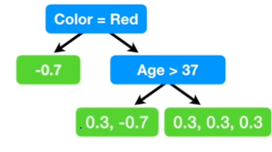
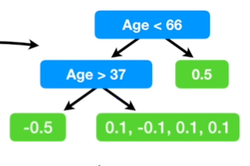
 | So over intial Prediction |  | Log ( Yes = 4/ No = 2) | 0.693

 | Prediction based on Log functions |  |  | 0.7

 |  | Since the Probaility of Defualt 2 is greater than 0.5 we can classify everyone in the training data as Default

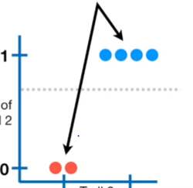
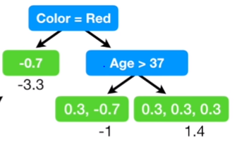
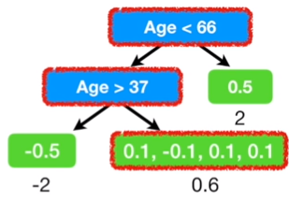

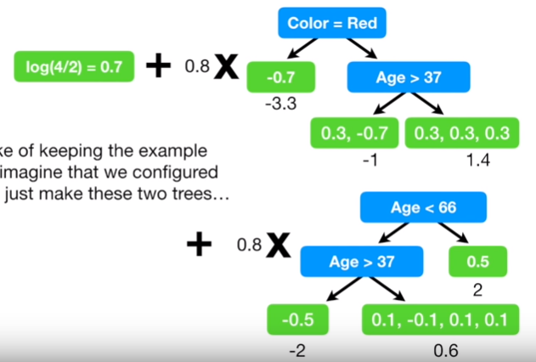
 | Test Data

Name | Like PopCorn | Age | Favourite Color | Loves Troll 2 | Predicted Probability
Sourabh | Yes | 25 | Green | ? | 0.9

